Dashboard
India Amazon Product Dashboard

Total Sales
₹15,57,89,893.89
Total Profits
₹3,31,67,008.49
Total Orders
10000
Total Units Sold
24,926
Average Order Value
₹15,57,8.99
Profit Margine
21.28%

Category Wise Total Sales
 | Total
Electronics & Mobiles | ₹123,569,507.07
Home & Kitchen | ₹17,973,218.93
Apparel & Fashion | ₹9,831,025.09
Beauty & Personal Care | ₹2,889,178.50
Pantry & Groceries | ₹1,526,964.30
Category Wise Profits
 | Total
Electronics & Mobiles | ₹26,310,257.24
Home & Kitchen | ₹3,837,268.36
Apparel & Fashion | ₹2,085,354.00
Beauty & Personal Care | ₹604,390.41
Pantry & Groceries | ₹329,738.48
Top 10 Products
 | Total
Smartwatch | ₹23,312,463.47
Wireless Earbuds | ₹23,848,640.89
5G Smartphone | ₹24,330,766.23
Power Bank 20000mAh | ₹25,548,449.07
Laptop Backpack | ₹26,529,187.41

Sales and Profit by Payment Method
 | Sum of Total_Sales_INR | Sum of Profit_INR
UPI | ₹78,515,436.26 | ₹16,653,494.14
Credit/Debit Card | ₹31,069,230.90 | ₹6,525,646.17
Cash on Delivery (COD) | ₹23,101,583.64 | ₹5,008,107.37
Net Banking | ₹15,419,486.46 | ₹3,292,296.82
Amazon Pay Later | ₹7,684,156.63 | ₹1,687,463.99
Sales and Profit by Payment Fullfillment
 | Sum of Total_Sales_INR | Sum of Profit_INR
Amazon (FBA) | ₹107,528,288.07 | ₹22,882,414.52
Merchant (FBM) | ₹17,063,213.84 | ₹3,469,539.45
Seller Flex | ₹31,198,391.98 | ₹6,815,054.52
Category Wise Units Sold
 | Total
Electronics & Mobiles | 7,579
Apparel & Fashion | 6,452
Home & Kitchen | 4,684
Beauty & Personal Care | 3,734
Pantry & Groceries | 2,477

Sales and Profits by Statewise
 | Sum of Total_Sales_INR | Sum of Profit_INR
Delhi | ₹22,361,687.04 | ₹4,699,095.38
Gujarat | ₹9,369,304.18 | ₹2,008,021.80
Karnataka | ₹24,415,704.16 | ₹5,273,235.35
Kerala | ₹6,611,724.40 | ₹1,377,849.56
Maharashtra | ₹29,554,237.21 | ₹6,301,731.56
Rajasthan | ₹6,620,697.25 | ₹1,383,028.68
Tamil Nadu | ₹17,889,855.25 | ₹3,856,864.11
Telangana | ₹13,961,458.53 | ₹2,944,127.16
Uttar Pradesh | ₹14,140,675.36 | ₹2,978,266.81
West Bengal | ₹10,864,550.51 | ₹2,344,788.08
Orders by State wise
 | Total
Delhi | 3,610
Gujarat | 1,484
Karnataka | 3,765
Kerala | 1,150
Maharashtra | 4,585
Rajasthan | 1,144
Tamil Nadu | 2,785
Telangana | 2,272
Uttar Pradesh | 2,486
West Bengal | 1,645
Status of the all the orders
 | Total
Cancelled | 500
Delivered | 8147
Returned | 485
Shipped | 868

Monthly wise Sales and Profit
 | Sum of Total_Sales_INR | Sum of Profit_INR
<01-01-2024
Jan | 13954653.34 | 3030811.9
Feb | 12707360.05 | 2534192.64
Mar | 15813226.45 | 3427437.93
Apr | 13695894.4 | 2997927.31
May | 14845665.82 | 3186758.39
Jun | 15269143.59 | 3196680.44
Jul | 17736471.05 | 3733146.6
Aug | 14649797.36 | 3056422.46
Sep | 8679665.79 | 1892769.67
Oct | 9607830.95 | 2016829.05
Nov | 9593588.6 | 2064733.76
Dec | 9236596.49 | 2029298.34
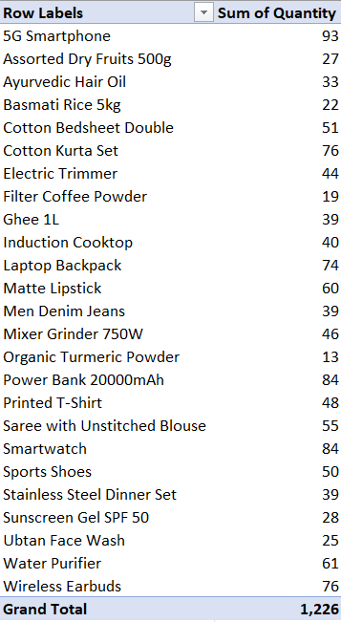
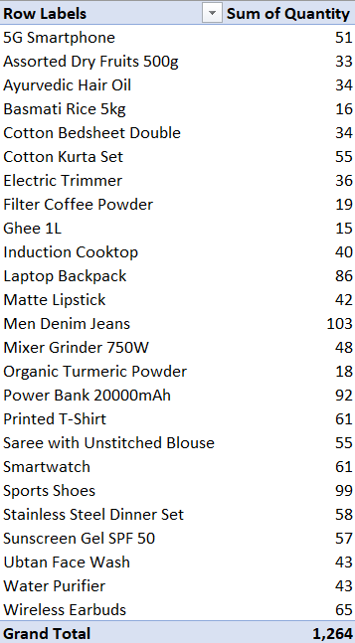

Category wise Returns
 | Category wise Cancellations

Obj1.3
Monthly wise Sales and Profit
 | Sum of Total_Sales_INR | Sum of Profit_INR
<01-01-2024
Jan | 13954653.34 | 3030811.9
Feb | 12707360.05 | 2534192.64
Mar | 15813226.45 | 3427437.93
Apr | 13695894.4 | 2997927.31
May | 14845665.82 | 3186758.39
Jun | 15269143.59 | 3196680.44
Jul | 17736471.05 | 3733146.6
Aug | 14649797.36 | 3056422.46
Sep | 8679665.79 | 1892769.67
Oct | 9607830.95 | 2016829.05
Nov | 9593588.6 | 2064733.76
Dec | 9236596.49 | 2029298.34
Row Labels | Sum of Total_Sales_INR | Sum of Profit_INR
<01-01-2024
Jan | 13954653.34 | 3030811.9
Feb | 12707360.05 | 2534192.64
Mar | 15813226.45 | 3427437.93
Apr | 13695894.4 | 2997927.31
May | 14845665.82 | 3186758.39
Jun | 15269143.59 | 3196680.44
Jul | 17736471.05 | 3733146.6
Aug | 14649797.36 | 3056422.46
Sep | 8679665.79 | 1892769.67
Oct | 9607830.95 | 2016829.05
Nov | 9593588.6 | 2064733.76
Dec | 9236596.49 | 2029298.34
Grand Total | 155789893.89 | 33167008.49

Obj2.1
Category | Sum of Total_Sales_INR
Electronics & Mobiles | ₹123,569,507.07
Home & Kitchen | ₹17,973,218.93
Apparel & Fashion | ₹9,831,025.09
Category Wise Total Sales
Beauty & Personal Care | ₹2,889,178.50
Pantry & Groceries | ₹1,526,964.30
Grand Total | ₹155,789,893.89

Obj2.2
Category | Sum of Profit_INR
Electronics & Mobiles | ₹26,310,257.24
Home & Kitchen | ₹3,837,268.36
Apparel & Fashion | ₹2,085,354.00
Category Wise Profits
Beauty & Personal Care | ₹604,390.41
Pantry & Groceries | ₹329,738.48
Grand Total | ₹33,167,008.49

Obj2.3
Category | Sum of Quantity
Electronics & Mobiles | 7,579
Apparel & Fashion | 6,452
Home & Kitchen | 4,684
Category Wise Units Sold
Beauty & Personal Care | 3,734
Pantry & Groceries | 2,477
Grand Total | 24,926

Obj2.4
Product | Sum of Total_Sales_INR
Smartwatch | ₹23,312,463.47
Wireless Earbuds | ₹23,848,640.89
Top 10 Products
5G Smartphone | ₹24,330,766.23
Power Bank 20000mAh | ₹25,548,449.07
Laptop Backpack | ₹26,529,187.41
Grand Total | ₹123,569,507.07

Obj3.1
Status of the all the orders
Order Status | Count of Order_ID
Cancelled | 500
Delivered | 8147
Returned | 485
Shipped | 868
Grand Total | 10000

 |  | In the above data 81% delivered. Remaining have issues

Obj4.1
Row Labels | Sum of Total_Sales_INR | Sum of Profit_INR
UPI | ₹78,515,436.26 | ₹16,653,494.14
Credit/Debit Card | ₹31,069,230.90 | ₹6,525,646.17
Cash on Delivery (COD) | ₹23,101,583.64 | ₹5,008,107.37
Net Banking | ₹15,419,486.46 | ₹3,292,296.82
Sales and Profit by Payment Method
Amazon Pay Later | ₹7,684,156.63 | ₹1,687,463.99
Grand Total | ₹155,789,893.89 | ₹33,167,008.49

Obj4.2
Row Labels | Sum of Total_Sales_INR | Sum of Profit_INR
Amazon (FBA) | ₹107,528,288.07 | ₹22,882,414.52
Merchant (FBM) | ₹17,063,213.84 | ₹3,469,539.45
Seller Flex | ₹31,198,391.98 | ₹6,815,054.52
Grand Total | ₹155,789,893.89 | ₹33,167,008.49

Sales and Profit by Payment Fullfillment

Obj4.3
Sales and Profits by Statewise
Row Labels | Sum of Total_Sales_INR | Sum of Profit_INR
Delhi | ₹22,361,687.04 | ₹4,699,095.38
Gujarat | ₹9,369,304.18 | ₹2,008,021.80
Karnataka | ₹24,415,704.16 | ₹5,273,235.35
Kerala | ₹6,611,724.40 | ₹1,377,849.56
Maharashtra | ₹29,554,237.21 | ₹6,301,731.56
Rajasthan | ₹6,620,697.25 | ₹1,383,028.68
Tamil Nadu | ₹17,889,855.25 | ₹3,856,864.11
Telangana | ₹13,961,458.53 | ₹2,944,127.16
Uttar Pradesh | ₹14,140,675.36 | ₹2,978,266.81
West Bengal | ₹10,864,550.51 | ₹2,344,788.08
Grand Total | ₹155,789,893.89 | ₹33,167,008.49

Obj4.4
Row Labels | Sum of Quantity
Delhi | 3,610
Gujarat | 1,484
Karnataka | 3,765
Orders by State wise
Kerala | 1,150
Maharashtra | 4,585
Rajasthan | 1,144
Tamil Nadu | 2,785
Telangana | 2,272
Uttar Pradesh | 2,486
West Bengal | 1,645
Grand Total | 24,926

